Sheet1
 | MCX

PICK TICKET CHECK LIST |  |  |  | PO# 3006405 -3006404
 |  |  |  | PT# 1771938-1771940

TICKETING |  |  | PROVIDED BY: | PLEASE CREATE BARTENDER

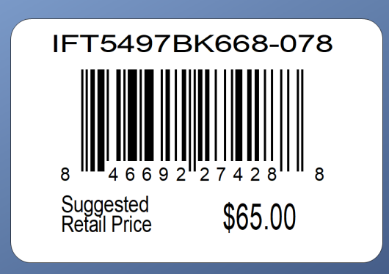

ROUTING

PACKING INSTRUCTIONS:
PACK ONE PIECE PPK BY STORE DISTRIBUTION

OUR STYLE# | QTY | CUSTOMER STYLE | UPC# | RETAIL PRICE
AXG0075U-42 | 12 | AEROSOLES UMBRELLA AUTO OPEN A | 196540573620 | $12.99
AXG0075U-42 | 6 | AEROSOLES UMBRELLA AUTO OPEN A | 196540573620 | $12.99
AXG0075U-42 | 12 | AEROSOLES UMBRELLA AUTO OPEN A | 196540573620 | $12.99

TOTAL | 30

